Summary of order
order list: July.2- 2025


 |  | Customer:

 |  | Delivery address:

 |  | Sum pieces | Sum kg | Price without VAT | Ordered production quota
 | GRP macros
 | PU holds
 | TOTAL SUM (price without VAT)

VEZI GRP
 |  |  |  |  |  |  |  |  | Sum Price without VAT |  |  | EUR
 |  |  |  |  |  |  |  |  | Sum SETS |  |  |  |  |  |  |  |  |  |  |  |  |  | SUM production quota
 |  |  |  |  |  |  |  |  | SUM |  |  | kg

 |  |  |  |  |  |  |  |  |  |  |  |  |  |  |  |  |  |  |  |  |  |  | SUM of pcs.
 |  |  |  |  |  |  |  |  | Sum pcs. by colour: |  |  |  |  |  |  |  |  |  |  |  |  |  |  |  | SUM:
 |  | ID | NOTES | SIZE | DIMENSIONS | TYPE | PCS. IN SET | FIXING | RETAIL PRICE WITHOUT VAT | BLACK RAL 9005 | WHITE | RED RAL 3000 | YELLOW RAL 1018 | BLUE RAL 5015 | BRIGHT GREEN RAL 6018 | APRICOT ORANGE RAL 1033 | DEEP ORANGE RAL 2011 | PINK RAL 4003 | GREY RAL 7001 | PURPLE S4050-R60B/M | MINT RAL 6027 | DEEP ROSE RAL 4008 | Sum | ordered | Production quota pet set | Ordered production quota
 |  |  |  |  |  |  |  |  | PRECISION GRP
new | 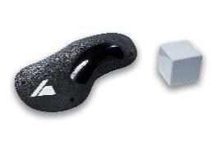 | V-P1-GRP-DT | Dual Tex. | L | 52x29x10 cm | sloper | 1 | screw-on | 208.06 € |  |  |  |  |  |  |  |  |  |  |  |  |  |  |  | 1
new | 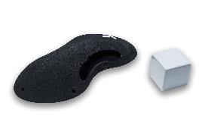 | V-P2-GRP-DT | Dual Tex. | L | 51x30x10 cm | sloper | 1 | screw-on | 218.77 € |  |  |  |  |  |  |  |  |  |  |  |  |  |  |  | 1
new | 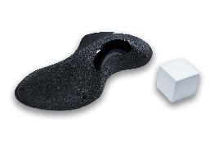 | V-P3-GRP-DT | Dual Tex. | L | 62x34x135 cm | pinch | 1 | screw-on | 224.13 € |  |  |  |  |  |  |  |  |  |  |  |  |  |  |  | 1
new | 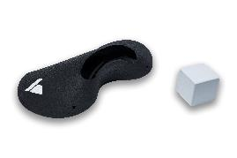 | V-P4-GRP-DT | Dual Tex. | L | 61x29x14 cm | sloper | 1 | screw-on | 224.13 € |  |  |  |  |  |  |  |  |  |  |  |  |  |  |  | 1
new | 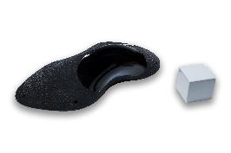 | V-P5-GRP-DT | Dual Tex. | L | 62x37x14 cm | sloper | 1 | screw-on | 224.13 € |  |  |  |  |  |  |  |  |  |  |  |  |  |  |  | 1
new | 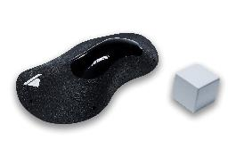 | V-P6-GRP-DT | Dual Tex. | L | 63x36x14 cm | sloper | 1 | screw-on | 224.13 € |  |  |  |  |  |  |  |  |  |  |  |  |  |  |  | 1
new | 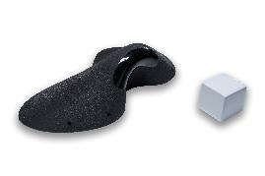 | V-P7-GRP-DT | Dual Tex. | L | 63x33x17 cm | sloper | 1 | screw-on | 230.10 € |  |  |  |  |  |  |  |  |  |  |  |  |  |  |  | 1
new | 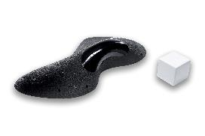 | V-P8-GRP-DT | Dual Tex. | L | 69x37x14 cm | sloper | 1 | screw-on | 229.90 € |  |  |  |  |  |  |  |  |  |  |  |  |  |  |  | 1
new | 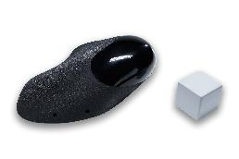 | V-P9-GRP-DT | Dual Tex. | L | 58x42x17 cm | jug | 1 | screw-on | 229.90 € |  |  |  |  |  |  |  |  |  |  |  |  |  |  |  | 1
new | 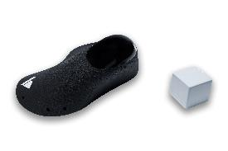 | V-P10-GRP-DT | Dual Tex. | L | 59x42x21 cm | jug | 1 | screw-on | 246.17 € |  |  |  |  |  |  |  |  |  |  |  |  |  |  |  | 1
new | 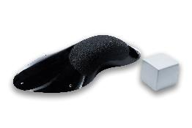 | V-P11-GRP-DT | Dual Tex. | L | 62x37x14 cm | sloper | 1 | screw-on | 251.32 € |  |  |  |  |  |  |  |  |  |  |  |  |  |  |  | 1
new | 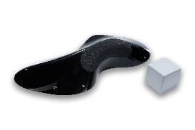 | V-P12-GRP-DT | Dual Tex. | L | 69x37x14 cm | pinch | 1 | screw-on | 256.99 € |  |  |  |  |  |  |  |  |  |  |  |  |  |  |  | 1
new | 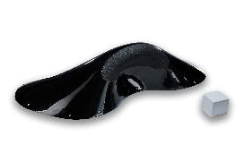 | V-P13-GRP-DT | Dual Tex. | 2XL | 124x60x31 cm | jug | 1 | screw-on | 431.57 € |  |  |  |  |  |  |  |  |  |  |  |  |  |  |  | 3
PRECISION GRP: THE WHOLE RANGE |  | V-P-GRP | Dual Tex. | L-2XL |  | various | 13 | screw-on | 3,199.28 € |  |  |  |  |  |  |  |  |  |  |  |  |  |  |  | 15
 |  |  |  |  |  |  |  |  | OTIUM GRP
 | 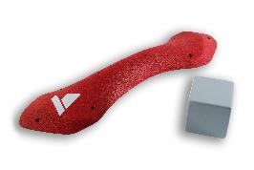 | V-O1-GRP | all tex. | L | 67x17x6,5 cm | pinch | 1 | screw-on | 207.50 € |  |  |  |  |  |  |  |  |  |  |  |  |  |  |  | 1
 | 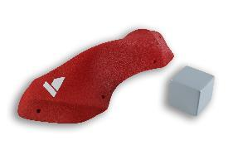 | V-O2-GRP | all tex. | L | 69x27x10,5 cm | pinch | 1 | screw-on | 213.23 € |  |  |  |  |  |  |  |  |  |  |  |  |  |  |  | 1
 | 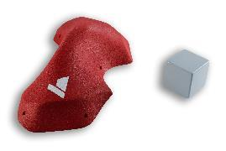 | V-O3-GRP | all tex. | L | 66x33x13 cm | pinch | 1 | screw-on | 219.53 € |  |  |  |  |  |  |  |  |  |  |  |  |  |  |  | 1
 | 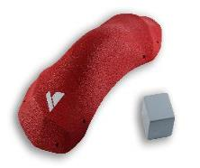 | V-O4-GRP | all tex. | L | 78,5x36,5x17,5 cm | pinch | 1 | screw-on | 237.30 € |  |  |  |  |  |  |  |  |  |  |  |  |  |  |  | 1
 | 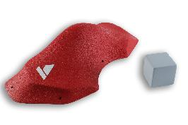 | V-O5-GRP | all tex. | L | 75x35,5x17 cm | pinch | 1 | screw-on | 219.88 € |  |  |  |  |  |  |  |  |  |  |  |  |  |  |  | 1
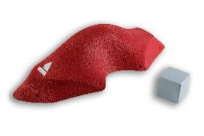 |  | V-O6-GRP | all tex. | XL | 90x37,5x20 cm | pinch | 1 | screw-on | 249.34 € |  |  |  |  |  |  |  |  |  |  |  |  |  |  |  | 1
 | 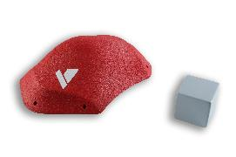 | V-O7-GRP | all tex. | M | 49x32x13 cm | sloper | 1 | screw-on | 207.50 € |  |  |  |  |  |  |  |  |  |  |  |  |  |  |  | 1
 | 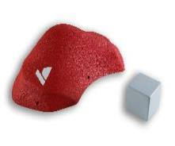 | V-O8-GRP | all tex. | L | 59x34,5x17 cm | sloper | 1 | screw-on | 231.00 € |  |  |  |  |  |  |  |  |  |  |  |  |  |  |  | 1
 | 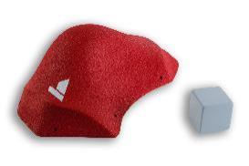 | V-O9-GRP | all tex. | L | 71x42x22 cm | sloper | 1 | screw-on | 260.80 € |  |  |  |  |  |  |  |  |  |  |  |  |  |  |  | 1
 | 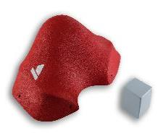 | V-O10-GRP | all tex. | L | 70x42,5x26 cm | sloper | 1 | screw-on | 272.27 € |  |  |  |  |  |  |  |  |  |  |  |  |  |  |  | 1
 | 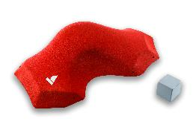 | V-O11-GRP | all tex. | XL | 102x56x21 cm | sloper | 1 | screw-on | 314.18 € |  |  |  |  |  |  |  |  |  |  |  |  |  |  |  | 2
 | 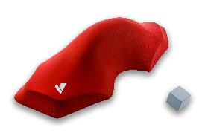 | V-O12-GRP | all tex. | 2XL | 142x53x34 cm | sloper | 1 | screw-on | 359.06 € |  |  |  |  |  |  |  |  |  |  |  |  |  |  |  | 2
OTIUM GRP: THE WHOLE RANGE |  | V-O-GRP | all tex. | M-2XL |  | various | 12 | screw-on | 2,991.58 € |  |  |  |  |  |  |  |  |  |  |  |  |  |  |  | 14
 |  |  |  |  |  |  |  |  | LIMITLESS GRP |  |  |  |  |  |  |  |  |  |  |  |  |  |  | no
VA 1 | 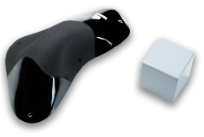 | V-L1-GRP-DT | Dual Tex. | M | 46,5x26x12 cm | pinch | 1 | screw-on | 204.73 € |  |  |  |  |  |  |  |  |  |  |  |  |  |  |  | 1
VA 2 |  | V-L2-GRP-DT | Dual Tex. | L | 56x38x15,5 cm | pinch | 1 | screw-on | 266.16 € |  |  |  |  |  |  |  |  |  |  |  |  |  |  |  | 1
VA 3 | 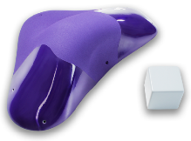 | V-L3-GRP-DT | Dual Tex. | L | 68x42,5x18,5 cm | pinch | 1 | screw-on | 315.98 € |  |  |  |  |  |  |  |  |  |  |  |  |  |  |  | 1
VA 4 |  | V-L4-GRP-DT | Dual Tex. | L | 76x44,5x21 cm | pinch | 1 | screw-on | 332.54 € |  |  |  |  |  |  |  |  |  |  |  |  |  |  |  | 1
VB 1 | 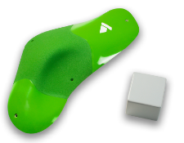 | V-L5-GRP-DT | Dual Tex. | L | 58,5x29x8 cm | sloper | 1 | screw-on | 215.55 € |  |  |  |  |  |  |  |  |  |  |  |  |  |  |  | 1
VB 2 | 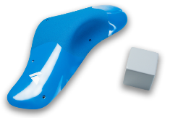 | V-L6-GRP-DT | Dual Tex. | L | 63x28,5x9 cm | sloper | 1 | screw-on | 227.16 € |  |  |  |  |  |  |  |  |  |  |  |  |  |  |  | 1
VB 3 |  | V-L7-GRP-DT | Dual Tex. | L | 53x31,5x11 cm | sloper | 1 | screw-on | 227.05 € |  |  |  |  |  |  |  |  |  |  |  |  |  |  |  | 1
VB 4 |  | V-L8-GRP-DT | Dual Tex. | L | 53,5x32x12,5 cm | sloper | 1 | screw-on | 227.51 € |  |  |  |  |  |  |  |  |  |  |  |  |  |  |  | 1
VB 5 | 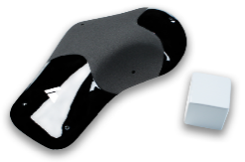 | V-L9-GRP-DT | Dual Tex. | L | 62x35x8,5 cm | sloper | 1 | screw-on | 227.51 € |  |  |  |  |  |  |  |  |  |  |  |  |  |  |  | 1
VB 6 |  | V-L10-GRP-DT | Dual Tex. | L | 69x26x11 cm | sloper | 1 | screw-on | 249.60 € |  |  |  |  |  |  |  |  |  |  |  |  |  |  |  | 1
LIMITLESS GRP: THE WHOLE RANGE |  | V-L-GRP-DT | Dual Tex. | M-L |  | various | 10 | screw-on | 2,493.79 € |  |  |  |  |  |  |  |  |  |  |  |  |  |  |  | 10

VEZI PU
 |  |  |  |  |  |  |  |  | Sum Price without VAT |  |  | EUR
 |  |  |  |  |  |  |  |  | Sum SETS |  |  |  |  |  |  |  |  |  |  | SUM production qouta:
 |  |  |  |  |  |  |  |  | SUM |  |  | kg

 |  |  |  |  |  |  |  |  |  |  |  |  |  |  |  |  |  |  |  | SUM of pcs.
 |  |  |  |  |  |  |  |  | Sum pcs. by colour: |  |  |  |  |  |  |  |  |  |  |  |  | SUM:
 |  | ID | TEXTURE | SIZE | DIMENSIONS | TYPE | FIXING | NO. PCS. IN SET | PRICE WITHOUT VAT | BLACK RAL 9005 | WHITE | RED RAL 3000 | YELLOW RAL 1018 | BLUE RAL 5015 | BRIGHT GREEN RAL 6018 | PINK RAL 4003 | PURPLE nS4050-R60B/M | MINT RAL 6027 | BROWN RAL 8003 | Sum | ordered | Production quota pet set | Ordered production quota
 |  |  |  |  |  |  |  |  | PRECISION PU
new | 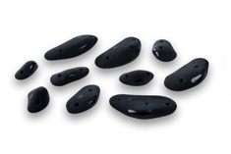 | V-P1-PU-DT | Dual Tex. | S-M |  | foothold | screw-on | 10 | 97.80 € |  |  |  |  |  |  |  |  |  |  |  |  | 1
new | 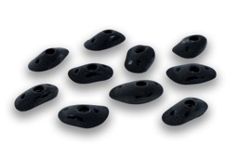 | V-P2-PU-DT | Dual Tex. | M |  | foothold | bolt-on | 10 | 103.56 € |  |  |  |  |  |  |  |  |  |  |  |  | 1
new | 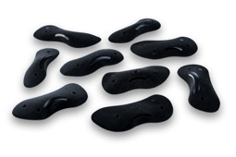 | V-P3-PU-DT | Dual Tex. | L |  | foothold | screw-on | 9 | 116.77 € |  |  |  |  |  |  |  |  |  |  |  |  | 1
new | 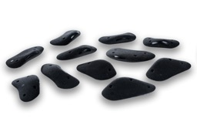 | V-P4-PU-DT | Dual Tex. | L |  | crimp | screw-on | 11 | 115.07 € |  |  |  |  |  |  |  |  |  |  |  |  | 1
new | 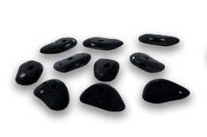 | V-P5-PU-DT | Dual Tex. | L |  | crimp | bolt-on | 10 | 132.36 € |  |  |  |  |  |  |  |  |  |  |  |  | 1
new | 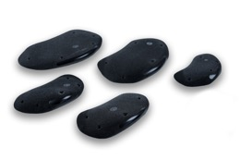 | V-P6-PU-DT | Dual Tex. | L |  | crimp | screw-on | 5 | 119.47 € |  |  |  |  |  |  |  |  |  |  |  |  | 1
new | 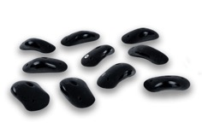 | V-P7-PU-DT | Dual Tex. | L |  | jug | bolt-on | 10 | 190.68 € |  |  |  |  |  |  |  |  |  |  |  |  | 1
new | 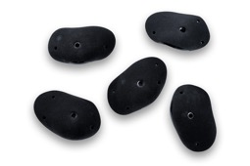 | V-P8-PU-DT | Dual Tex. | L |  | jug | bolt-on | 5 | 139.39 € |  |  |  |  |  |  |  |  |  |  |  |  | 1
new | 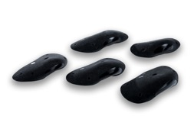 | V-P9-PU-DT | Dual Tex. | XL |  | jug | bolt-on | 5 | 175.63 € |  |  |  |  |  |  |  |  |  |  |  |  | 1
new | 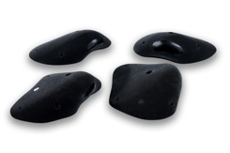 | V-P10-PU-DT | Dual Tex. | XL |  | jug | bolt-on | 4 | 203.49 € |  |  |  |  |  |  |  |  |  |  |  |  | 1
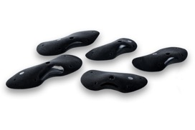 new |  | V-P11-PU-DT | Dual Tex. | XL |  | incut | bolt-on | 5 | 144.19 € |  |  |  |  |  |  |  |  |  |  |  |  | 1
new | 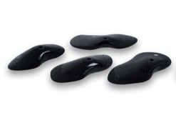 | V-P12-PU-DT | Dual Tex. | 2XL |  | incut | bolt-on | 4 | 155.25 € |  |  |  |  |  |  |  |  |  |  |  |  | 1
new | 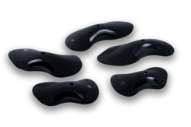 | V-P13-PU-DT | Dual Tex. | 2XL |  | incut | bolt-on | 5 | 175.87 € |  |  |  |  |  |  |  |  |  |  |  |  | 1
new | 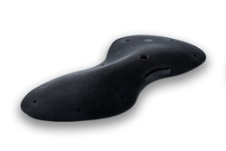 | V-P14-PU-DT | Dual Tex. | 2XL |  | pinch | bolt-on | 1 | 109.45 € |  |  |  |  |  |  |  |  |  |  |  |  | 1
new | 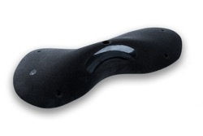 | V-P15-PU-DT | Dual Tex. | 2XL |  | pinch | bolt-on | 1 | 118.33 € |  |  |  |  |  |  |  |  |  |  |  |  | 1
new | 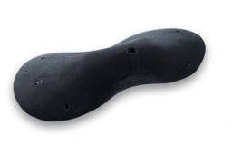 | V-P16-PU-DT | Dual Tex. | 2XL |  | pinch | bolt-on | 1 | 126.25 € |  |  |  |  |  |  |  |  |  |  |  |  | 1
new | 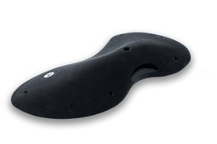 | V-P17-PU-DT | Dual Tex. | 3XL |  | sloper | bolt-on | 1 | 135.61 € |  |  |  |  |  |  |  |  |  |  |  |  | 1
new | 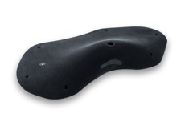 | V-P18-PU-DT | Dual Tex. | 3XL |  | sloper | bolt-on | 1 | 122.89 € |  |  |  |  |  |  |  |  |  |  |  |  | 1
new | 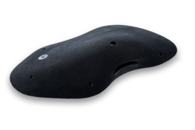 | V-P19-PU-DT | Dual Tex. | 3XL |  | sloper | bolt-on | 1 | 131.77 € |  |  |  |  |  |  |  |  |  |  |  |  | 1
new | 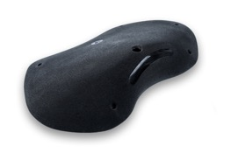 | V-P20-PU-DT | Dual Tex. | 2XL |  | sloper | bolt-on | 1 | 127.21 € |  |  |  |  |  |  |  |  |  |  |  |  | 1
new |  | V-P21-PU-DT | Dual Tex. | 2XL |  | sloper | bolt-on | 1 | 132.01 € |  |  |  |  |  |  |  |  |  |  |  |  | 1
new |  | V-P22-PU-DT | Dual Tex. | 3XL |  | sloper | bolt-on | 1 | 129.85 € |  |  |  |  |  |  |  |  |  |  |  |  | 1
new |  | V-P23-PU-DT | Dual Tex. | 3XL |  | sloper | bolt-on | 1 | 129.13 € |  |  |  |  |  |  |  |  |  |  |  |  | 1
 new |  | V-P24-PU-DT | Dual Tex. | 3XL |  | sloper | bolt-on | 1 | 147.61 € |  |  |  |  |  |  |  |  |  |  |  |  | 1
new |  | V-P25-PU-DT | Dual Tex. | XL |  | sloper | bolt-on | 2 | 146.40 € |  |  |  |  |  |  |  |  |  |  |  |  | 1
new |  | V-P26-PU-DT | Dual Tex. | XL |  | sloper | bolt-on | 2 | 140.40 € |  |  |  |  |  |  |  |  |  |  |  |  | 1
new |  | V-P27-PU-DT | Dual Tex. | 2XL |  | sloper | bolt-on | 2 | 148.80 € |  |  |  |  |  |  |  |  |  |  |  |  | 1
new |  | V-P28-PU-DT | Dual Tex. | 2XL |  | sloper | bolt-on | 1 | 132.49 € |  |  |  |  |  |  |  |  |  |  |  |  | 1
new |  | V-P29-PU-DT | Dual Tex. | 2XL |  | sloper | bolt-on | 1 | 147.13 € |  |  |  |  |  |  |  |  |  |  |  |  | 1
new |  | V-P30-PU-DT | Dual Tex. | 2XL |  | sloper | bolt-on | 1 | 168.49 € |  |  |  |  |  |  |  |  |  |  |  |  | 1
new | PRECISION PU: THE WHOLE RANGE | V-P-PU-DT | Dual Tex. | S-3XL |  | various | screw-on/ bolt-on
 |  |  |  |  |  |  |  |  | OTIUM PU
 |  | V-O1-PU | all tex. | S-M | 6x5x1 cm,6x5x2 cm, 6x4x1 cm,2x 8x5x2 cm, 2x 8x4x1 cm,2x 8x5x1 cm, 8x4x3 cm,8x4x2 cm, 9x4x1 cm,9x5x1 cm, 9x6x1 cm,12x5x1 cm | foothold | screw-on | 15 | 86.61 € |  |  |  |  |  |  |  |  |  |  |  |  | 1
 |  | V-O2-PU | all tex. | S-M | 7x4x2 cm,7x6x2 cm, 9x4x2 cm,2x 9x5x2 cm, 9x6x2 cm, 9x7x2 cm,10x6x2 cm, 10x6x3 cm,11x6x2 cm | foothold | bolt-on | 10 | 90.54 € |  |  |  |  |  |  |  |  |  |  |  |  | 1
 |  | V-O3-PU | all tex. | M | 2x 10x5x2 cm, 10x7x3 cm,10x6x2 cm, 11x7x2 cm,2x 12x7x2 cm, 12x6x2 cm,13x7x2 cm, 13x7x3 cm | foothold | bolt-on | 10 | 106.29 € |  |  |  |  |  |  |  |  |  |  |  |  | 1
 |  | V-O4-PU | all tex. | M-L | 11x5x3 cm,12x6x2 cm, 2x 13x6x3 cm, 14x5x2 cm,15x7x3 cm, 16x7x2cm | crimp | screw-on | 7 | 94.48 € |  |  |  |  |  |  |  |  |  |  |  |  | 1
 |  | V-O5-PU | all tex. | M-XL | 11x3x1 cm,15x4x2 cm, 3x 15x4x1 cm, 16x4x2 cm, 27x3x1 cm, 30x6x2 cm | crimp | screw-on | 9 | 90.54 € |  |  |  |  |  |  |  |  |  |  |  |  | 1
 |  | V-O6-PU | all tex. | L-XL | 16x5x2 cm, 21x7x3 cm, 22x8x3 cm, 22x7x3 cm, 23x7x3 cm, 23x8x3 cm, 24x8x2 cm | crimp | screw-on | 7 | 118.10 € |  |  |  |  |  |  |  |  |  |  |  |  | 1
 |  | V-O7-PU | all tex. | L-XL | 15x10x5 cm, 16x10x5 cm, 17x10x5 cm, 17x9x5 cm, 18x11x5 cm, 20x11x5 cm, 22x12x4 cm | jug | bolt-on | 7 | 161.40 € |  |  |  |  |  |  |  |  |  |  |  |  | 1
 |  | V-O8-PU | all tex. | XL | 24x10x3 cm, 27x12x4 cm, 27x11x4 cm, 30x15x3 cm, 33x18x4 cm | edge | screw-on | 5 | 133.85 € |  |  |  |  |  |  |  |  |  |  |  |  | 1
 |  | V-O9-PU | all tex. | XL | 26x14x7 cm, 33x18x8 cm, 22x12x6 cm, 27x11x5 cm, 28x13x8 cm | jug | bolt-on | 5 | 196.83 € |  |  |  |  |  |  |  |  |  |  |  |  | 1
 |  | V-O10-PU | all tex. | L-XL | 20x10x5 cm, 22x13x6 cm, 27x14x7 cm, 28x15x7 cm | pinch | bolt-on | 4 | 153.53 € |  |  |  |  |  |  |  |  |  |  |  |  | 1
 |  | V-O11-PU | all tex. | XL | 23x17x5 cm, 24x12x7 cm, 25x16x8 cm, 26x13x8 cm | jug | bolt-on | 4 | 157.47 € |  |  |  |  |  |  |  |  |  |  |  |  | 1
 |  | V-O12-PU | all tex. | XL-2XL | 30x17x5 cm, 34x18x6 cm, 35x21x7 cm | jug | bolt-on | 3 | 161.40 € |  |  |  |  |  |  |  |  |  |  |  |  | 1
 |  | V-O13-PU | all tex. | XL | 25x14x5 cm, 27x15x8cm, 32x16x6 cm, 34x14x5 m | jug | bolt-on | 4 | 161.40 € |  |  |  |  |  |  |  |  |  |  |  |  | 1
 |  | V-O14-PU | all tex. | XL | 31x15x6 cm, 32x15x7 cm, 32x15x5 cm | pinch | bolt-on | 3 | 145.66 € |  |  |  |  |  |  |  |  |  |  |  |  | 1
 |  | V-O15-PU | all tex. | 3XL | 59x10x5 cm, 60x10x4 cm | pinch | bolt-on | 2 | 125.97 € |  |  |  |  |  |  |  |  |  |  |  |  | 1
 |  | V-O16-PU | all tex. | 3XL | 65x13x5 cm, 58x11x6 cm | pinch | bolt-on | 2 | 157.47 € |  |  |  |  |  |  |  |  |  |  |  |  | 1
 |  | V-O17-PU | all tex. | 2XL | 38x22x9 cm, 40x22x10 cm | pinch | bolt-on | 2 | 157.47 € |  |  |  |  |  |  |  |  |  |  |  |  | 1
 |  | V-O18-PU | all tex. | XL-2XL | 33x20x9 cm, 38x22x11 cm | pinch | bolt-on | 2 | 157.47 € |  |  |  |  |  |  |  |  |  |  |  |  | 1
 |  | V-O19-PU | all tex. | XL | 34x20x10 cm, 34x22x9 cm | sloper | bolt-on | 2 | 165.34 € |  |  |  |  |  |  |  |  |  |  |  |  | 1
 |  | V-O20-PU | all tex. | 2XL | 45x25x15 cm | sloper | bolt-on | 1 | 141.72 € |  |  |  |  |  |  |  |  |  |  |  |  | 1
 |  | V-O21-PU | all tex. | 2XL | 49x30x11 cm | sloper | bolt-on | 1 | 141.72 € |  |  |  |  |  |  |  |  |  |  |  |  | 1
 |  | V-O22-PU | all tex. | 3XL | 58x43x12 cm | sloper | bolt-on | 1 | 177.15 € |  |  |  |  |  |  |  |  |  |  |  |  | 1
 |  | V-O23-PU | all tex. | 3XL | 67x48x17 cm | sloper | bolt-on | 1 | 220.45 € |  |  |  |  |  |  |  |  |  |  |  |  | 1
 |  | V-O24-PU | all tex. | 2XL | 50x23x9 cm | pinch | bolt-on | 1 | 125.97 € |  |  |  |  |  |  |  |  |  |  |  |  | 1
 |  | V-O25-PU | all tex. | 3XL | 63x20x7 cm | pinch | bolt-on | 1 | 122.04 € |  |  |  |  |  |  |  |  |  |  |  |  | 1
 |  | V-O26-PU | all tex. | 3XL | 61x33x16 cm | pinch | bolt-on | 1 | 177.15 € |  |  |  |  |  |  |  |  |  |  |  |  | 1
 |  | V-O27-PU | all tex. | 3XL | 71x27x11 cm | pinch | bolt-on | 1 | 165.34 € |  |  |  |  |  |  |  |  |  |  |  |  | 1
 |  | V-O28-PU | all tex. | 3XL | 82x36x11 cm | pinch | bolt-on | 1 | 192.90 € |  |  |  |  |  |  |  |  |  |  |  |  | 1
 |  | V-O29-PU | all tex. | 2XL | 47x30x9 cm | sloper | bolt-on | 1 | 137.78 € |  |  |  |  |  |  |  |  |  |  |  |  | 1
 |  | V-O30-PU | all tex. | 2XL | 52x34x10 cm | sloper | bolt-on | 1 | 157.47 € |  |  |  |  |  |  |  |  |  |  |  |  | 1
 |  | V-O31-PU | all tex. | 2XL | 52x37x11 cm | sloper | bolt-on | 1 | 188.96 € |  |  |  |  |  |  |  |  |  |  |  |  | 1
 |  | V-O32-PU | all tex. | 2XL | 49x35x15 cm | sloper | bolt-on | 1 | 165.34 € |  |  |  |  |  |  |  |  |  |  |  |  | 1
 |  | V-O33-PU | all tex. | 3XL | 57x40x20 cm | sloper | bolt-on | 1 | 248.01 € |  |  |  |  |  |  |  |  |  |  |  |  | 1
 | OTIUM PU: THE WHOLE RANGE | V-O-PU | all tex. | S-3XL |  | various | bolt-on | 117 | 4,983.81 € |  |  |  |  |  |  |  |  |  |  |  |  | 33
 |  |  |  |  |  |  |  |  | LIMITLESS PU
 |  | V-L1-PU-DT | Dual Tex. | S-L | 14x8,5x2 cm, 7x4,5x2 cm, 10x6x2,5 cm, 7x4,5x1,5 cm, 5x2,5x1 cm, 7x4x2 cm, 10x5,5x3 cm, 8,5x5x1,5 cm, 7x3,5x2 cm, 12,5x7,5x2 cm, 5,5x3x2 cm, 10x6,5x2 cm, 12,5x8x2,5 cm, 7x3,5x2,5 cm, 6,25x4x2 cm | foothold | screw-on | 15 | 86.52 € |  |  |  |  |  |  |  |  |  |  |  |  | 1
 |  | V-L2-PU-DT | Dual Tex. | M-XL | 11,5x6x2 cm, 19x10,5x2 cm, 17x10x2 cm, 20x11x2,5 cm, 23,5x11,5x3,5 cm, 20x10,5x2,5 cm, 13x8x2 cm, 17,5x9x2 cm, 19x10x3,5 cm, 26,5x16x5,5 cm | foothold | screw-on | 10 | 118.97 € |  |  |  |  |  |  |  |  |  |  |  |  | 1
 |  | V-L6-PU-DT | Dual Tex. | S | 7,5x4,5x3 cm, 8x5x1,5 cm, 7x4x1,5 cm, 7,5x5x2 cm, 7x4x2 cm, 7,5x4,5x2,5 cm, 8x5x2,5 cm, 8x6x2 cm, 8x5x2 cm | foothold | bolt-on | 9 | 81.11 € |  |  |  |  |  |  |  |  |  |  |  |  | 1
 |  | V-L9-PU-DT | Dual Tex. | S-M | 8x4,5x2,5 cm, 12,5x5,5x3 cm, 12x6x4 cm, 10,5x4x2,5 cm, 13x5x3,5 cm, 10x4,5x2,5 cm, 14x7x3,5 cm, 9x5x2 cm, 9x4,5x2,5 cm, 12x8x4 cm | crimp | screw-on | 10 | 91.93 € |  |  |  |  |  |  |  |  |  |  |  |  | 1
 |  | V-L12-PU-DT | Dual Tex. | M-L | 12x7,5x1,5 cm, 15x7,5x2 cm, 20x8x1,5 cm, 11,5x6,5x1,5 cm, 13,5x6,5x1,5 cm, 20,5x9x2 cm | crimp | screw-on | 6 | 81.11 € |  |  |  |  |  |  |  |  |  |  |  |  | 1
 |  | V-L13-PU-DT | Dual Tex. | XL | 33x11,5x2 cm, 33x10,5x1,5 cm, 31x10,5x1,5 cm, 24,5x10x2 cm | crimp | screw-on | 4 | 91.93 € |  |  |  |  |  |  |  |  |  |  |  |  | 1
 |  | V-L15-PU-DT | Dual Tex. | XL | 25,5x12x2 cm, 23,5x12x2 cm, 21,5x11,5x2 cm, 21,5x12x2 cm | crimp | bolt-on | 4 | 102.74 € |  |  |  |  |  |  |  |  |  |  |  |  | 1
 |  | V-L16-PU-DT | Dual Tex. | L-XL | 29x18x4,5 cm, 31x20x3,5 cm, 28,5x20x4 cm | crimp | bolt-on | 3 | 118.97 € |  |  |  |  |  |  |  |  |  |  |  |  | 1
 |  | V-L18-PU-DT | Dual Tex. | 2XL | 44x26,5x7 cm | edge | bolt-on | 1 | 118.97 € |  |  |  |  |  |  |  |  |  |  |  |  | 1
 |  | V-L19-PU-DT | Dual Tex. | L-XL | 23x16x3,5 cm, 21,5x14,5x4 cm, 30x19,5x4,5 cm, 18,5x11,5x3 cm, 29,5x17,5x3,5 cm, 18x10,5x3,5 cm | incut | bolt-on | 6 | 129.78 € |  |  |  |  |  |  |  |  |  |  |  |  | 1
 |  | V-L21-PU-DT | Dual Tex. | M-XL | 30,5x20x6 cm, 20x12x6 cm, 13x8x2 cm | jug | bolt-on | 3 | 102.74 € |  |  |  |  |  |  |  |  |  |  |  |  | 1
 |  | V-L22-PU-DT | Dual Tex. | XL | 27x15x7,5 cm, 30x19x9,5 cm | jug | bolt-on | 2 | 113.56 € |  |  |  |  |  |  |  |  |  |  |  |  | 1
 |  | V-L23-PU-DT | Dual Tex. | L-XL | 34,5x23,5x9 cm, 27x17x7 cm | jug | bolt-on | 2 | 113.56 € |  |  |  |  |  |  |  |  |  |  |  |  | 1
 |  | V-L26-PU-DT | Dual Tex. | L | 21x14x6 cm, 20,5x12x5 cm, 18x10,5x4,5 cm, 20,5x11,5x6 cm | pinch | bolt-on | 4 | 108.15 € |  |  |  |  |  |  |  |  |  |  |  |  | 1
 |  | V-L27-PU-DT | Dual Tex. | XL | 31x19x9,5 cm, 30x19x9 cm | pinch | bolt-on | 2 | 124.37 € |  |  |  |  |  |  |  |  |  |  |  |  | 1
 |  | V-L28-PU-DT | Dual Tex. | 2XL | 38,5x22x7,5 cm, 38,5x22x10 cm | pinch | bolt-on | 2 | 151.41 € |  |  |  |  |  |  |  |  |  |  |  |  | 1
 |  | V-L33-PU-DT | Dual Tex. | XL-2XL | 36,5x23x7 cm, 32x23x7,5 cm | sloper | bolt-on | 2 | 135.19 € |  |  |  |  |  |  |  |  |  |  |  |  | 1
 |  | V-L34-PU-DT | Dual Tex. | 2XL | 37,5x24x8,5 cm, 42x25,5x8 cm | sloper | bolt-on | 2 | 146.00 € |  |  |  |  |  |  |  |  |  |  |  |  | 1
 |  | V-L36-PU-DT | Dual Tex. | 2XL | 44x30x7,5 cm | sloper | bolt-on | 1 | 129.78 € |  |  |  |  |  |  |  |  |  |  |  |  | 1
 |  | V-L37-PU-DT | Dual Tex. | 2XL | 46,5x29,5x6 cm | sloper | bolt-on | 1 | 124.37 € |  |  |  |  |  |  |  |  |  |  |  |  | 1
 |  | V-L39-PU-DT | Dual Tex. | 3XL | 53x35x8 cm | sloper | bolt-on | 1 | 156.82 € |  |  |  |  |  |  |  |  |  |  |  |  | 1
 |  | V-L41-PU-DT | Dual Tex. | XL | 30x20,5x12,5 cm, 32x21,5x12 cm | sloper | bolt-on | 2 | 162.23 € |  |  |  |  |  |  |  |  |  |  |  |  | 1
 |  | V-L42-PU-DT | Dual Tex. | 2XL | 40,5x20,5x13,5 cm | sloper | bolt-on | 1 | 118.97 € |  |  |  |  |  |  |  |  |  |  |  |  | 1
 |  | V-L44-PU-DT | Dual Tex. | 2XL | 44x30x16 cm | sloper | bolt-on | 1 | 156.82 € |  |  |  |  |  |  |  |  |  |  |  |  | 1
 |  | V-L47-PU-DT | Dual Tex. | 2XL | 46,5x29,5x19,5 cm | sloper | bolt-on | 1 | 189.26 € |  |  |  |  |  |  |  |  |  |  |  |  | 1
 |  | V-L53-PU-DT | Dual Tex. | 2XL | 42x29x11,5 cm | pinch | bolt-on | 1 | 124.37 € |  |  |  |  |  |  |  |  |  |  |  |  | 1
 |  | V-L54-PU-DT | Dual Tex. | 2XL | 48x29x9,5 cm | pinch | bolt-on | 1 | 129.78 € |  |  |  |  |  |  |  |  |  |  |  |  | 1
 |  | V-L55-PU-DT | Dual Tex. | 2XL | 45,5x27,5x11,5 cm | pinch | bolt-on | 1 | 146.00 € |  |  |  |  |  |  |  |  |  |  |  |  | 1
 |  | V-L56-PU-DT | Dual Tex. | 2XL | 44x44,5x12 cm | pinch | screw-on | 1 | 129.78 € |  |  |  |  |  |  |  |  |  |  |  |  | 1
 |  | V-L61-PU-DT | Dual Tex. | L | 21x15x9 cm, 17,5x11x8 cm, 18x11x9 cm, 16x9,5x7,5 cm, 17,5x12x6,5 cm, 17,5x11,5x8,5 cm | jug | bolt-on | 6 | 156.82 € |  |  |  |  |  |  |  |  |  |  |  |  | 1
 |  | V-L63-PU-DT | Dual Tex. | L | 17,5x12x6,5 cm, 17,5x11,5x8,5 cm | jug | bolt-on | 2 | 156.82 € |  |  |  |  |  |  |  |  |  |  |  |  | 1
 | LIMITLESS PU: THE WHOLE RANGE | V-L-PU-DT | Dual Tex. | S-3XL |  | various | screw-on/ bolt-on |  | 3,898.81 €

